2007-2010 Monthly Decomposition
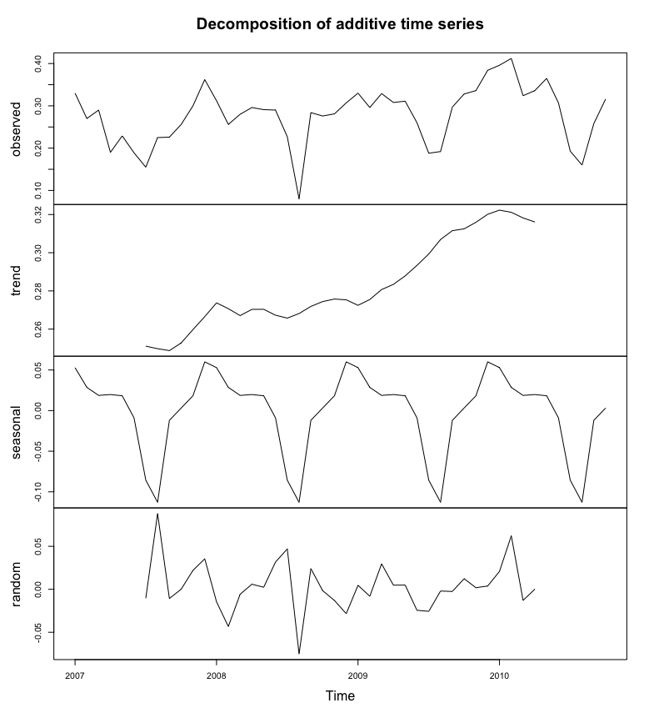

 | Monthly Energy Consumption Values (kWh) for the Years 2007 - 2010
 | Observed Values | Jan | Feb | Mar | Apr | May | Jun | Jul | Aug | Sep | Oct | Nov | Dec
 | 2007 | 0.33 | 0.27 | 0.29 | 0.19 | 0.229 | 0.189 | 0.155 | 0.225 | 0.226 | 0.256 | 0.3 | 0.362
 | 2008 | 0.312 | 0.256 | 0.28 | 0.296 | 0.291 | 0.29 | 0.227 | 0.08 | 0.284 | 0.276 | 0.281 | 0.307
 | 2009 | 0.33 | 0.296 | 0.329 | 0.308 | 0.311 | 0.26 | 0.188 | 0.192 | 0.297 | 0.328 | 0.336 | 0.384
 | 2010 | 0.396 | 0.412 | 0.324 | 0.336 | 0.365 | 0.307 | 0.193 | 0.16 | 0.258 | 0.316

 | Monthly Energy Consumption Seasonality Trend Values (kWh)
 | Seasonality | Jan | Feb | Mar | Apr | May | Jun | Jul | Aug | Sep | Oct | Nov | Dec
 | 2007 | 0.05287037 | 0.028578704 | 0.018703704 | 0.019759259 | 0.01824537 | -0.008962963 | -0.085685185 | -0.112907407 | -0.012018519 | 0.003148148 | 0.018231481 | 0.060037037
 | 2008 | 0.05287037 | 0.028578704 | 0.018703704 | 0.019759259 | 0.01824537 | -0.008962963 | -0.085685185 | -0.112907407 | -0.012018519 | 0.003148148 | 0.018231481 | 0.060037037
 | 2009 | 0.05287037 | 0.028578704 | 0.018703704 | 0.019759259 | 0.01824537 | -0.008962963 | -0.085685185 | -0.112907407 | -0.012018519 | 0.003148148 | 0.018231481 | 0.060037037
 | 2010 | 0.05287037 | 0.028578704 | 0.018703704 | 0.019759259 | 0.01824537 | -0.008962963 | -0.085685185 | -0.112907407 | -0.012018519 | 0.003148148

Monthly Energy Consumption Decomposition Trends

Feb 2010 Hourly Decomposition
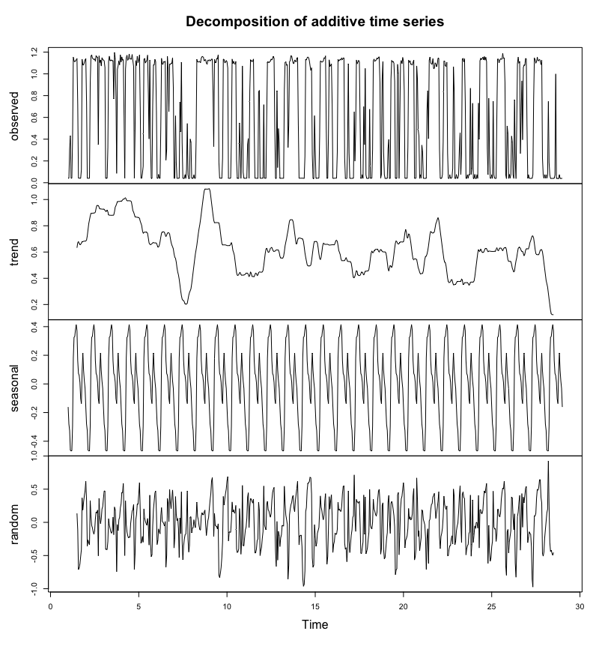
 | February 2010 Hourly Energy Consumption (kWh)
 | Day | 1 | 2 | 3 | 4 | 5 | 6 | 7 | 8 | 9 | 10 | 11 | 12 | 13 | 14 | 15 | 16 | 17 | 18 | 19 | 20 | 21 | 22 | 23 | 24
 | 1 | 0.041 | 0.041 | 0.306 | 0.431 | 0.041 | 0.041 | 0.407 | 1.153 | 1.12 | 1.111 | 1.119 | 1.13 | 1.14 | 0.724 | 0.042 | 0.042 | 0.041 | 0.04 | 0.121 | 1.135 | 1.082 | 1.082 | 1.104 | 1.129
 | 2 | 1.14 | 0.749 | 0.04 | 0.041 | 0.041 | 0.04 | 0.907 | 1.163 | 1.174 | 1.145 | 1.137 | 1.133 | 1.137 | 1.117 | 1.166 | 1.156 | 1.15 | 0.35 | 1.165 | 1.105 | 1.126 | 1.072 | 1.149 | 1.133
 | 3 | 1.127 | 1.119 | 1.061 | 0.04 | 0.041 | 0.041 | 0.325 | 1.114 | 1.163 | 1.124 | 1.12 | 1.129 | 1.12 | 1.119 | 0.771 | 1.196 | 1.141 | 0.797 | 0.086 | 1.041 | 1.077 | 1.119 | 1.083 | 1.176
 | 4 | 1.109 | 1.156 | 1.125 | 1.13 | 0.618 | 0.041 | 1.042 | 1.148 | 1.171 | 1.125 | 1.137 | 1.183 | 1.136 | 1.137 | 1.134 | 1.178 | 1.121 | 1.069 | 0.04 | 0.478 | 1.122 | 1.077 | 1.162 | 1.104
 | 5 | 1.123 | 1.173 | 0.7 | 0.041 | 0.04 | 0.085 | 0.15 | 1.13 | 1.143 | 1.099 | 1.115 | 1.121 | 1.172 | 0.828 | 0.403 | 1.126 | 0.359 | 0.039 | 0.039 | 0.712 | 1.084 | 1.081 | 1.133 | 1.112
 | 6 | 0.665 | 0.04 | 0.04 | 0.077 | 0.04 | 0.04 | 0.52 | 1.143 | 1.092 | 1.088 | 1.113 | 1.108 | 1.116 | 0.208 | 0.307 | 1.16 | 1.044 | 0.655 | 1.093 | 1.085 | 1.098 | 1.097 | 1.148 | 0.88
 | 7 | 0.04 | 0.04 | 0.614 | 0.185 | 0.041 | 0.04 | 0.041 | 0.041 | 0.741 | 0.468 | 1.107 | 0.366 | 0.04 | 0.04 | 0.041 | 0.075 | 0.039 | 0.12 | 0.544 | 0.072 | 0.039 | 0.038 | 0.401 | 0.373
 | 8 | 0.04 | 0.04 | 0.04 | 0.072 | 0.04 | 0.04 | 0.387 | 1.133 | 1.11 | 1.112 | 1.109 | 1.115 | 1.103 | 1.144 | 1.157 | 1.16 | 1.151 | 1.119 | 1.128 | 1.13 | 1.098 | 1.088 | 1.125 | 1.123
 | 9 | 1.129 | 1.118 | 1.125 | 1.136 | 1.133 | 0.828 | 0.333 | 1.134 | 1.104 | 1.103 | 1.142 | 1.138 | 1.174 | 0.189 | 0.041 | 0.042 | 0.041 | 0.04 | 0.222 | 1.135 | 1.13 | 1.102 | 1.107 | 1.123
 | 10 | 1.111 | 1.056 | 0.041 | 0.04 | 0.041 | 0.041 | 0.409 | 1.136 | 1.096 | 1.116 | 1.096 | 1.089 | 1.113 | 0.209 | 0.041 | 0.04 | 0.041 | 0.548 | 0.314 | 0.039 | 0.388 | 1.073 | 0.096 | 0.04
 | 11 | 0.041 | 0.041 | 0.041 | 0.041 | 0.351 | 0.406 | 0.04 | 0.835 | 1.13 | 1.119 | 1.114 | 1.117 | 1.136 | 0.495 | 0.041 | 0.042 | 0.041 | 0.041 | 0.039 | 0.835 | 0.848 | 0.04 | 0.041 | 0.041
 | 12 | 0.042 | 0.041 | 0.717 | 0.041 | 0.041 | 0.042 | 0.609 | 1.107 | 1.112 | 1.102 | 1.111 | 1.117 | 1.136 | 1.127 | 1.142 | 1.161 | 1.143 | 0.493 | 0.039 | 0.039 | 0.845 | 0.14 | 0.497 | 0.367
 | 13 | 0.042 | 0.04 | 0.041 | 0.041 | 0.041 | 0.042 | 0.853 | 1.104 | 1.111 | 1.078 | 1.087 | 0.323 | 0.528 | 1.111 | 1.12 | 1.169 | 1.161 | 1.127 | 1.099 | 1.095 | 1.125 | 1.12 | 1.108 | 1.144
 | 14 | 1.149 | 0.527 | 0.041 | 0.041 | 0.042 | 0.042 | 0.041 | 0.042 | 0.041 | 0.039 | 0.244 | 1.134 | 1.127 | 1.147 | 1.156 | 1.147 | 1.121 | 1.073 | 1.033 | 1.055 | 0.256 | 0.038 | 0.039 | 0.615
 | 15 | 0.299 | 0.04 | 0.041 | 0.042 | 0.042 | 0.042 | 0.424 | 1.118 | 1.115 | 1.109 | 1.11 | 1.12 | 1.147 | 1.142 | 1.165 | 0.485 | 0.041 | 0.04 | 0.449 | 1.129 | 1.069 | 1.078 | 1.092 | 0.726
 | 16 | 0.041 | 0.04 | 0.041 | 0.042 | 0.042 | 0.042 | 0.28 | 1.133 | 1.118 | 1.127 | 1.132 | 1.127 | 1.148 | 1.129 | 1.146 | 1.145 | 0.231 | 0.04 | 0.039 | 0.039 | 0.331 | 1.093 | 0.274 | 0.04
 | 17 | 0.04 | 0.04 | 0.04 | 0.041 | 0.041 | 0.65 | 0.198 | 0.478 | 1.128 | 1.092 | 1.108 | 1.124 | 1.111 | 0.567 | 0.041 | 0.04 | 0.075 | 0.039 | 0.698 | 0.349 | 1.049 | 0.073 | 0.039 | 0.04
 | 18 | 0.04 | 0.04 | 0.675 | 0.042 | 0.041 | 0.041 | 0.302 | 1.12 | 1.136 | 1.115 | 1.121 | 1.128 | 1.146 | 1.135 | 1.152 | 1.156 | 0.924 | 0.04 | 0.076 | 0.949 | 1.112 | 0.28 | 0.073 | 0.04
 | 19 | 0.039 | 0.04 | 0.04 | 0.311 | 0.396 | 0.04 | 0.039 | 0.954 | 1.124 | 1.108 | 1.115 | 1.097 | 0.937 | 0.04 | 0.04 | 0.04 | 1.088 | 1.005 | 0.039 | 0.587 | 1.097 | 1.123 | 1.093 | 1.151
 | 20 | 1.113 | 0.853 | 0.04 | 0.041 | 0.041 | 0.04 | 0.323 | 1.125 | 1.105 | 1.121 | 1.088 | 1.087 | 1.082 | 1.106 | 1.126 | 0.04 | 0.04 | 0.043 | 1.073 | 0.951 | 0.487 | 0.432 | 0.039 | 0.074
 | 21 | 0.04 | 0.345 | 0.284 | 0.04 | 0.04 | 0.04 | 0.04 | 0.04 | 0.665 | 0.845 | 0.405 | 1.124 | 1.154 | 1.105 | 1.091 | 1.089 | 1.139 | 1.048 | 1.053 | 1.102 | 1.092 | 1.066 | 1.091 | 1.145
 | 22 | 1.141 | 0.303 | 0.039 | 0.04 | 0.04 | 0.074 | 0.375 | 1.118 | 1.116 | 1.075 | 1.069 | 1.105 | 0.27 | 0.039 | 0.039 | 0.074 | 0.04 | 0.04 | 0.052 | 0.132 | 1.066 | 0.834 | 0.039 | 0.039
 | 23 | 0.076 | 0.04 | 0.04 | 0.073 | 0.309 | 0.457 | 0.076 | 0.268 | 1.135 | 1.143 | 1.111 | 1.138 | 0.753 | 0.04 | 0.041 | 0.073 | 0.041 | 0.076 | 0.072 | 0.868 | 0.077 | 0.13 | 0.73 | 0.039
 | 24 | 0.04 | 0.077 | 0.039 | 0.04 | 0.075 | 0.039 | 0.731 | 0.4 | 1.119 | 1.144 | 1.131 | 1.141 | 1.153 | 1.129 | 1.159 | 1.126 | 1.152 | 1.112 | 0.316 | 0.075 | 0.777 | 0.26 | 0.04 | 0.04
 | 25 | 0.074 | 0.039 | 0.747 | 0.073 | 0.04 | 0.04 | 0.039 | 0.63 | 1.135 | 1.136 | 1.101 | 1.126 | 1.139 | 1.135 | 1.135 | 1.187 | 1.14 | 1.147 | 0.925 | 0.078 | 0.038 | 0.522 | 0.455 | 0.039
 | 26 | 0.077 | 0.04 | 0.076 | 0.428 | 0.376 | 0.075 | 0.039 | 0.762 | 0.207 | 0.038 | 0.526 | 1.094 | 1.153 | 1.097 | 1.113 | 0.267 | 0.626 | 0.936 | 0.395 | 1.057 | 1.083 | 1.078 | 1.142 | 1.136
 | 27 | 0.515 | 0.04 | 0.073 | 0.04 | 0.04 | 0.039 | 0.04 | 0.04 | 0.074 | 0.767 | 1.146 | 1.129 | 1.098 | 1.115 | 1.152 | 1.122 | 1.12 | 1.134 | 1.12 | 1.085 | 1.126 | 0.228 | 0.075 | 0.04
 | 28 | 0.075 | 0.04 | 0.074 | 0.04 | 0.064 | 0.746 | 0.185 | 0.074 | 0.039 | 0.039 | 0.04 | 0.039 | 0.04 | 0.04 | 0.072 | 0.999 | 0.039 | 0.04 | 0.038 | 0.039 | 0.073 | 0.039 | 0.039 | 0.039
 | 29 | 0.041

 | February 2010 Hourly Energy Consumption Seasonality Trend (kWh)
 | Day | 1 | 2 | 3 | 4 | 5 | 6 | 7 | 8 | 9 | 10 | 11 | 12 | 13 | 14 | 15 | 16 | 17 | 18 | 19 | 20 | 21 | 22 | 23 | 24
 | 1 | -0.1611 | -0.2801 | -0.3256 | -0.4618 | -0.4670 | -0.4672 | -0.2947 | 0.1781 | 0.3247 | 0.3327 | 0.3809 | 0.4129 | 0.3721 | 0.1631 | 0.0740 | 0.0587 | 0.0114 | -0.1018 | -0.1371 | 0.0894 | 0.2157 | 0.0930 | 0.0210 | -0.0316
 | 2 | -0.1611 | -0.2801 | -0.3256 | -0.4618 | -0.4670 | -0.4672 | -0.2947 | 0.1781 | 0.3247 | 0.3327 | 0.3809 | 0.4129 | 0.3721 | 0.1631 | 0.0740 | 0.0587 | 0.0114 | -0.1018 | -0.1371 | 0.0894 | 0.2157 | 0.0930 | 0.0210 | -0.0316
 | 3 | -0.1611 | -0.2801 | -0.3256 | -0.4618 | -0.4670 | -0.4672 | -0.2947 | 0.1781 | 0.3247 | 0.3327 | 0.3809 | 0.4129 | 0.3721 | 0.1631 | 0.0740 | 0.0587 | 0.0114 | -0.1018 | -0.1371 | 0.0894 | 0.2157 | 0.0930 | 0.0210 | -0.0316
 | 4 | -0.1611 | -0.2801 | -0.3256 | -0.4618 | -0.4670 | -0.4672 | -0.2947 | 0.1781 | 0.3247 | 0.3327 | 0.3809 | 0.4129 | 0.3721 | 0.1631 | 0.0740 | 0.0587 | 0.0114 | -0.1018 | -0.1371 | 0.0894 | 0.2157 | 0.0930 | 0.0210 | -0.0316
 | 5 | -0.1611 | -0.2801 | -0.3256 | -0.4618 | -0.4670 | -0.4672 | -0.2947 | 0.1781 | 0.3247 | 0.3327 | 0.3809 | 0.4129 | 0.3721 | 0.1631 | 0.0740 | 0.0587 | 0.0114 | -0.1018 | -0.1371 | 0.0894 | 0.2157 | 0.0930 | 0.0210 | -0.0316
 | 6 | -0.1611 | -0.2801 | -0.3256 | -0.4618 | -0.4670 | -0.4672 | -0.2947 | 0.1781 | 0.3247 | 0.3327 | 0.3809 | 0.4129 | 0.3721 | 0.1631 | 0.0740 | 0.0587 | 0.0114 | -0.1018 | -0.1371 | 0.0894 | 0.2157 | 0.0930 | 0.0210 | -0.0316
 | 7 | -0.1611 | -0.2801 | -0.3256 | -0.4618 | -0.4670 | -0.4672 | -0.2947 | 0.1781 | 0.3247 | 0.3327 | 0.3809 | 0.4129 | 0.3721 | 0.1631 | 0.0740 | 0.0587 | 0.0114 | -0.1018 | -0.1371 | 0.0894 | 0.2157 | 0.0930 | 0.0210 | -0.0316
 | 8 | -0.1611 | -0.2801 | -0.3256 | -0.4618 | -0.4670 | -0.4672 | -0.2947 | 0.1781 | 0.3247 | 0.3327 | 0.3809 | 0.4129 | 0.3721 | 0.1631 | 0.0740 | 0.0587 | 0.0114 | -0.1018 | -0.1371 | 0.0894 | 0.2157 | 0.0930 | 0.0210 | -0.0316
 | 9 | -0.1611 | -0.2801 | -0.3256 | -0.4618 | -0.4670 | -0.4672 | -0.2947 | 0.1781 | 0.3247 | 0.3327 | 0.3809 | 0.4129 | 0.3721 | 0.1631 | 0.0740 | 0.0587 | 0.0114 | -0.1018 | -0.1371 | 0.0894 | 0.2157 | 0.0930 | 0.0210 | -0.0316
 | 10 | -0.1611 | -0.2801 | -0.3256 | -0.4618 | -0.4670 | -0.4672 | -0.2947 | 0.1781 | 0.3247 | 0.3327 | 0.3809 | 0.4129 | 0.3721 | 0.1631 | 0.0740 | 0.0587 | 0.0114 | -0.1018 | -0.1371 | 0.0894 | 0.2157 | 0.0930 | 0.0210 | -0.0316
 | 11 | -0.1611 | -0.2801 | -0.3256 | -0.4618 | -0.4670 | -0.4672 | -0.2947 | 0.1781 | 0.3247 | 0.3327 | 0.3809 | 0.4129 | 0.3721 | 0.1631 | 0.0740 | 0.0587 | 0.0114 | -0.1018 | -0.1371 | 0.0894 | 0.2157 | 0.0930 | 0.0210 | -0.0316
 | 12 | -0.1611 | -0.2801 | -0.3256 | -0.4618 | -0.4670 | -0.4672 | -0.2947 | 0.1781 | 0.3247 | 0.3327 | 0.3809 | 0.4129 | 0.3721 | 0.1631 | 0.0740 | 0.0587 | 0.0114 | -0.1018 | -0.1371 | 0.0894 | 0.2157 | 0.0930 | 0.0210 | -0.0316
 | 13 | -0.1611 | -0.2801 | -0.3256 | -0.4618 | -0.4670 | -0.4672 | -0.2947 | 0.1781 | 0.3247 | 0.3327 | 0.3809 | 0.4129 | 0.3721 | 0.1631 | 0.0740 | 0.0587 | 0.0114 | -0.1018 | -0.1371 | 0.0894 | 0.2157 | 0.0930 | 0.0210 | -0.0316
 | 14 | -0.1611 | -0.2801 | -0.3256 | -0.4618 | -0.4670 | -0.4672 | -0.2947 | 0.1781 | 0.3247 | 0.3327 | 0.3809 | 0.4129 | 0.3721 | 0.1631 | 0.0740 | 0.0587 | 0.0114 | -0.1018 | -0.1371 | 0.0894 | 0.2157 | 0.0930 | 0.0210 | -0.0316
 | 15 | -0.1611 | -0.2801 | -0.3256 | -0.4618 | -0.4670 | -0.4672 | -0.2947 | 0.1781 | 0.3247 | 0.3327 | 0.3809 | 0.4129 | 0.3721 | 0.1631 | 0.0740 | 0.0587 | 0.0114 | -0.1018 | -0.1371 | 0.0894 | 0.2157 | 0.0930 | 0.0210 | -0.0316
 | 16 | -0.1611 | -0.2801 | -0.3256 | -0.4618 | -0.4670 | -0.4672 | -0.2947 | 0.1781 | 0.3247 | 0.3327 | 0.3809 | 0.4129 | 0.3721 | 0.1631 | 0.0740 | 0.0587 | 0.0114 | -0.1018 | -0.1371 | 0.0894 | 0.2157 | 0.0930 | 0.0210 | -0.0316
 | 17 | -0.1611 | -0.2801 | -0.3256 | -0.4618 | -0.4670 | -0.4672 | -0.2947 | 0.1781 | 0.3247 | 0.3327 | 0.3809 | 0.4129 | 0.3721 | 0.1631 | 0.0740 | 0.0587 | 0.0114 | -0.1018 | -0.1371 | 0.0894 | 0.2157 | 0.0930 | 0.0210 | -0.0316
 | 18 | -0.1611 | -0.2801 | -0.3256 | -0.4618 | -0.4670 | -0.4672 | -0.2947 | 0.1781 | 0.3247 | 0.3327 | 0.3809 | 0.4129 | 0.3721 | 0.1631 | 0.0740 | 0.0587 | 0.0114 | -0.1018 | -0.1371 | 0.0894 | 0.2157 | 0.0930 | 0.0210 | -0.0316
 | 19 | -0.1611 | -0.2801 | -0.3256 | -0.4618 | -0.4670 | -0.4672 | -0.2947 | 0.1781 | 0.3247 | 0.3327 | 0.3809 | 0.4129 | 0.3721 | 0.1631 | 0.0740 | 0.0587 | 0.0114 | -0.1018 | -0.1371 | 0.0894 | 0.2157 | 0.0930 | 0.0210 | -0.0316
 | 20 | -0.1611 | -0.2801 | -0.3256 | -0.4618 | -0.4670 | -0.4672 | -0.2947 | 0.1781 | 0.3247 | 0.3327 | 0.3809 | 0.4129 | 0.3721 | 0.1631 | 0.0740 | 0.0587 | 0.0114 | -0.1018 | -0.1371 | 0.0894 | 0.2157 | 0.0930 | 0.0210 | -0.0316
 | 21 | -0.1611 | -0.2801 | -0.3256 | -0.4618 | -0.4670 | -0.4672 | -0.2947 | 0.1781 | 0.3247 | 0.3327 | 0.3809 | 0.4129 | 0.3721 | 0.1631 | 0.0740 | 0.0587 | 0.0114 | -0.1018 | -0.1371 | 0.0894 | 0.2157 | 0.0930 | 0.0210 | -0.0316
 | 22 | -0.1611 | -0.2801 | -0.3256 | -0.4618 | -0.4670 | -0.4672 | -0.2947 | 0.1781 | 0.3247 | 0.3327 | 0.3809 | 0.4129 | 0.3721 | 0.1631 | 0.0740 | 0.0587 | 0.0114 | -0.1018 | -0.1371 | 0.0894 | 0.2157 | 0.0930 | 0.0210 | -0.0316
Hourly Decomposition Plot of February 2010 | 23 | -0.1611 | -0.2801 | -0.3256 | -0.4618 | -0.4670 | -0.4672 | -0.2947 | 0.1781 | 0.3247 | 0.3327 | 0.3809 | 0.4129 | 0.3721 | 0.1631 | 0.0740 | 0.0587 | 0.0114 | -0.1018 | -0.1371 | 0.0894 | 0.2157 | 0.0930 | 0.0210 | -0.0316
 | 24 | -0.1611 | -0.2801 | -0.3256 | -0.4618 | -0.4670 | -0.4672 | -0.2947 | 0.1781 | 0.3247 | 0.3327 | 0.3809 | 0.4129 | 0.3721 | 0.1631 | 0.0740 | 0.0587 | 0.0114 | -0.1018 | -0.1371 | 0.0894 | 0.2157 | 0.0930 | 0.0210 | -0.0316
 | 25 | -0.1611 | -0.2801 | -0.3256 | -0.4618 | -0.4670 | -0.4672 | -0.2947 | 0.1781 | 0.3247 | 0.3327 | 0.3809 | 0.4129 | 0.3721 | 0.1631 | 0.0740 | 0.0587 | 0.0114 | -0.1018 | -0.1371 | 0.0894 | 0.2157 | 0.0930 | 0.0210 | -0.0316
 | 26 | -0.1611 | -0.2801 | -0.3256 | -0.4618 | -0.4670 | -0.4672 | -0.2947 | 0.1781 | 0.3247 | 0.3327 | 0.3809 | 0.4129 | 0.3721 | 0.1631 | 0.0740 | 0.0587 | 0.0114 | -0.1018 | -0.1371 | 0.0894 | 0.2157 | 0.0930 | 0.0210 | -0.0316
 | 27 | -0.1611 | -0.2801 | -0.3256 | -0.4618 | -0.4670 | -0.4672 | -0.2947 | 0.1781 | 0.3247 | 0.3327 | 0.3809 | 0.4129 | 0.3721 | 0.1631 | 0.0740 | 0.0587 | 0.0114 | -0.1018 | -0.1371 | 0.0894 | 0.2157 | 0.0930 | 0.0210 | -0.0316
 | 28 | -0.1611 | -0.2801 | -0.3256 | -0.4618 | -0.4670 | -0.4672 | -0.2947 | 0.1781 | 0.3247 | 0.3327 | 0.3809 | 0.4129 | 0.3721 | 0.1631 | 0.0740 | 0.0587 | 0.0114 | -0.1018 | -0.1371 | 0.0894 | 0.2157 | 0.0930 | 0.0210 | -0.0316
 | 29 | -0.1611

